Example #1
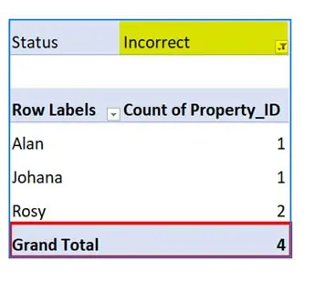
Auditor | Property_ID | Status
Alan | M38401095 | Correct
Alan | R38007379 | Correct | Count of Property_ID | Column Labels
Alan | Y37999859 | Incorrect | Row Labels | Correct | Incorrect | Grand Total
James | P37897719 | Correct | Alan | 6 | 1 | 7
James | O38404463 | Correct | James | 6 |  | 6
James | D38399637 | Correct | Johana |  | 1 | 1
James | E38071229 | Correct | Niklesh | 1 |  | 1
Johana | Z38200477 | Incorrect | Parth | 1 |  | 1
Alan | S31944535 | Correct | Rosy | 1 | 2 | 3
Alan | A38158805 | Correct | Vikas | 1 |  | 1
Rosy | D38157051 | Incorrect | Grand Total | 16 | 4 | 20
Alan | Q36316107 | Correct
Alan | G38368845 | Correct
James | U38383699 | Correct
James | A37873641 | Correct
Rosy | I37659999 | Correct
Rosy | K38388995 | Incorrect
Vikas | 235823567 | Correct
Niklesh | 82750 | Correct
Parth | 53287 | Correct

Example #2
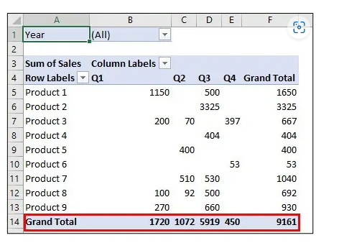
Quarter | Year | Product | Sales
Q1 | 2017 | Product 9 | 270 | Sum of Sales | Column Labels
Q1 | 2017 | Product 3 | 200 | Row Labels | Q1 | Q2 | Q3 | Q4 | Grand Total
Q1 | 2017 | Product 1 | 1150 | Product 1 | 1150 |  | 500 |  | 1650
Q1 | 2017 | Product 8 | 100 | Product 2 |  |  | 3325 |  | 3325
Q2 | 2017 | Product 5 | 400 | Product 3 | 200 | 70 |  | 397 | 667
Q2 | 2017 | Product 7 | 510 | Product 4 |  |  | 404 |  | 404
Q2 | 2017 | Product 3 | 70 | Product 5 |  | 400 |  |  | 400
Q2 | 2017 | Product 8 | 92 | Product 6 |  |  |  | 53 | 53
Q3 | 2017 | Product 1 | 350 | Product 7 |  | 510 | 530 |  | 1040
Q3 | 2017 | Product 4 | 128 | Product 8 | 100 | 92 | 500 |  | 692
Q3 | 2017 | Product 9 | 660 | Product 9 | 270 |  | 660 |  | 930
Q3 | 2017 | Product 4 | 276 | Grand Total | 1720 | 1072 | 5919 | 450 | 9161
Q3 | 2017 | Product 7 | 530
Q3 | 2017 | Product 8 | 500
Q3 | 2017 | Product 2 | 2250
Q3 | 2017 | Product 1 | 150
Q3 | 2017 | Product 2 | 1000
Q3 | 2017 | Product 2 | 75
Q4 | 2017 | Product 6 | 53
Q4 | 2017 | Product 3 | 97
Q4 | 2017 | Product 3 | 300

Example #3
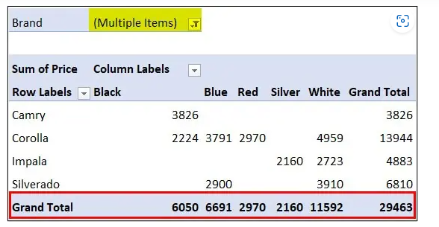
Brand | Model | Color | Mileage | Price
Ford | F-150 | Red | 63,512 | $4,000.00
Ford | Escape | Blue | 95,135 | $2,500.00
Ford | Escape | Silver | 1,01,354 | $2,000.00
Ford | Mustang | White | 75,006 | $2,198.00
Toyota | Camry | Black | 69,847 | $3,826.00
Toyota | Corolla | Red | 55,233 | $2,970.00
Toyota | Corolla | Black | 87,278 | $2,224.00
Honda | Accord | Blue | 1,30,684 | $2,798.00
Chevrolet | Impala | Silver | 59,169 | $2,160.00
Chevrolet | Impala | White | 1,38,789 | $2,723.00
Ford | Fusionj | Red | 89,073 | $3,950.00
Toyota | Corolla | White | 1,09,231 | $4,959.00
Toyota | Corolla | Blue | 87,675 | $3,791.00
Honda | Civic | Blue | 1,40,811 | $2,340.00
Honda | CRV | Black | 1,39,300 | $3,361.00
Honda | Accord | Red | 63,259 | $3,196.00
Honda | Accord | Silver | 40,826 | $4,397.00
Chevrolet | Silverado | Blue | 87,620 | $2,900.00
Chevrolet | Silverado | White | 75,256 | $3,910.00

